Sheet1
 |  |  |  | 50
Code | Foto | Name | Colours | QTY
PT108121 |  | Pyramid slim wallet | Black | 2
PT108366 | 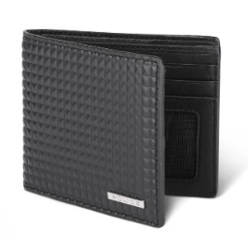 | Pyramid id wallet | Black | 10
PT108287 | 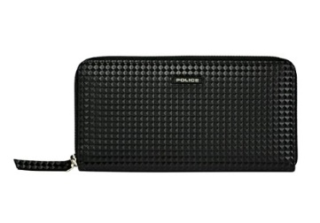 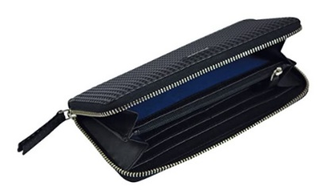 | Pyramid Zip Around Wallet | Black | 3
PT108072 |  | Pyramid Bi-Fold coin wallet | Black | 26
PT108387 | 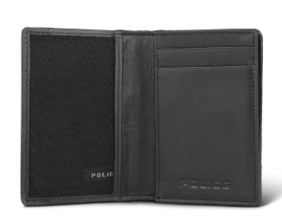 | Pyramid Credit card Wallet | Black | 5
PT098072 | 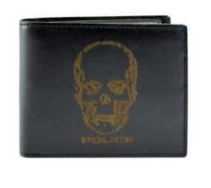 | Idol Bi-Fold coin Wallet | Black | 1
PT642163 | 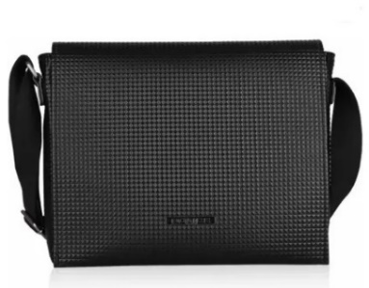 | Neo pyramid satchel bag | Black | 1
PT108575 |  | Pyramid compact wallet | Black | 2

