K2000 FASHION
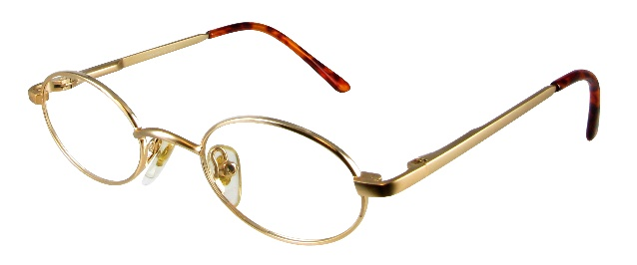
K2001 | MODEL | QTY
 | K2001*C1 SATIN GOLD 44X19-125 | 26
 | K2001*C2 GOLD/PINK 38X19-120 | 47
 | K2001*C2 GOLD/PINK 41X19-120 | 31
 | K2001*C2 GOLD/PINK 44X19-125 | 25

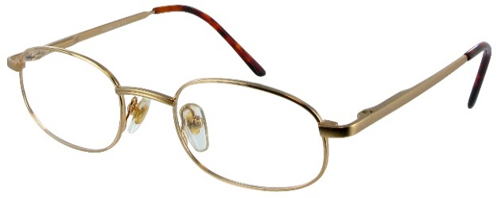
K2002 | K2002 C1 SATIN GOLD 41X19-120 | 9
 | K2002 C1 SATIN GOLD 44X19-125 | 24

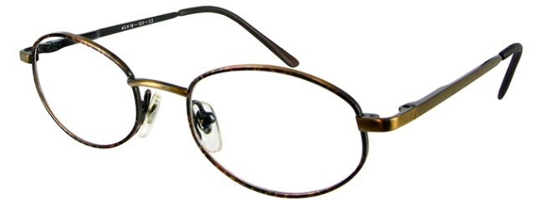
K2003 | K2003*C1 SATIN GOLD 39X18-120 | 26
 | K2003*C1 SATIN GOLD 42X18-120 | 33
 | K2003*C1 SATIN GOLD 45X18-125 | 20
 | K2003*C2 ANTIQUE BROWN 39X18-120 | 6
 | K2003*C2 ANTIQUE BROWN 42X18-120 | 23
 | K2003*C2 ANTIQUE BROWN 45X18-125 | 212
 | K2003*C3 SILVER BLACK 39X18-120 | 14
 | K2003*C3 SILVER BLACK 42X18-120 | 26
 | K2003*C3 SILVER BLACK 45X18-125 | 27
K2004 | K2004*C1 SATIN GOLD 39X18-120 | 20
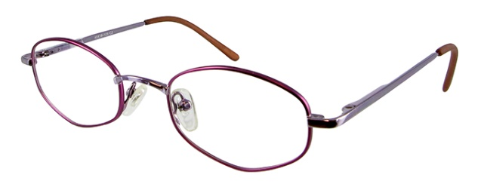
 | K2004*C1 SATIN GOLD 42X18-120 | 92
 | K2004*C1 SATIN GOLD 45X18-125 | 47
 | K2004*C2 PLUM 39X18-120 | 8
 | K2004*C2 PLUM 42X18-120 | 14
 | K2004*C2 PLUM 45X18-125 | 50
 | K2004*C3 LILAC 39X18-120 | 34
 | K2004*C3 LILAC 42X18-120 | 46
 | K2004*C3 LILAC 45X18-125 | 11
K2007 | K2007 C1 ROSE 38X19-120 | 5
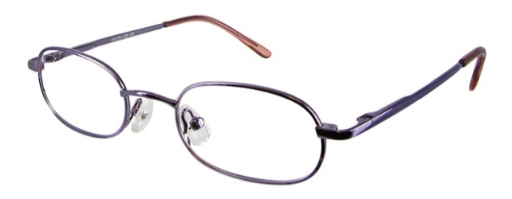
 | K2007 C1 ROSE 44X19-125 | 2
 | K2007 C2 LIGHT PURPLE 38X19-120 | 6
 | K2007 C2 LIGHT PURPLE 44X19-125 | 42

K2008 | K2008 C1 LILAC 47X18-135 | 15
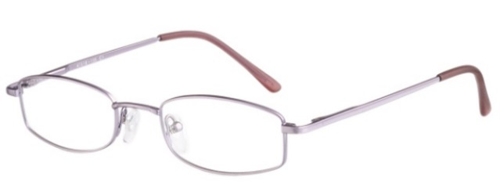

K2009 | K2009 C1 SHINY BLUE 43X19-130 | 8
 | K2009 C2 SHINY BROWN 43X19-130 | 13
 | K2009 C2 SHINY BROWN 45X19-130 | 51
 | K2009 C3 MATT SILVER 41X19-125 | 34
 | K2009 C3 MATT SILVER 43X19-125 | 83
 | K2009 C3 MATT SILVER 45X19-130 | 8

K2011 | K2011 C3 LIGHT BRONZE 42X19-120 | 13
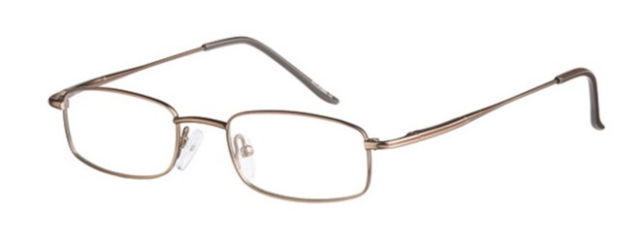

K2012 | K2012 C3 ANTIQUE SILVER 44X18-125 | 11
 | K2012 C3 ANTIQUE SILVER 46X18-125 | 17

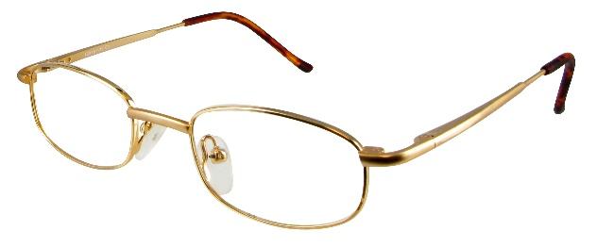
K2013 | K2013*C1 SATIN GOLD 42x18-125 | 90
 | K2013*C1 SATIN GOLD 45x18-125 | 111
 | K2013 C4 SATIN PINK 45X18-125 | 15

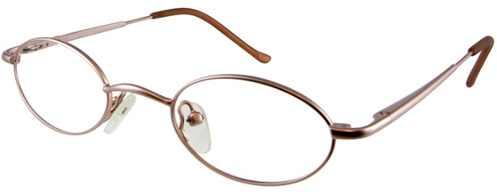
K2014 | K2014 * C1 SATIN PINK 41x18-125 | 153
 | K2014 * C2 SATIN LILAC 41x18-125 | 113
 | K2014 * C4 SATIN ROSE 39x18-120 | 26
 | K2014 * C4 SATIN ROSE 41x18-125 | 17

K2018 | K2018 C2 RED/SILVER 45X17-125 | 20

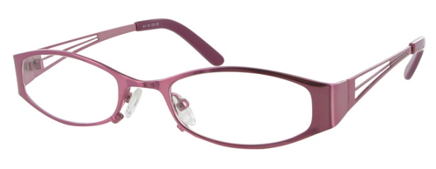
K2022 | K2022 C1 BLUE 44x18-125 | 6
 | K2022 C1 BLUE 46x18-130 | 5
 | K2022 C2 RED 44x18-125 | 245
 | K2022 C2 RED 46x18-130 | 11
 | K2022 C3 ROSE 44x18-125 | 12
 | K2022 C3 ROSE 46x18-130 | 6

K2023 | K2023 C1 ROSE 45x17-130 | 60
 | K2023 C1 ROSE 47x17-135 | 73
 | K2023 C2 BURGUNDY 45x17-130 | 121
 | K2023 C2 BURGUNDY 47x17-135 | 28

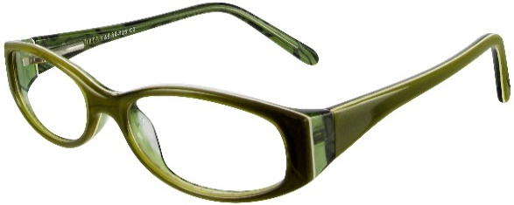
K5002 | K5002 C2 GREEN 45X14-125 | 50
 | K5002 C2 GREEN 47X14-130 | 70

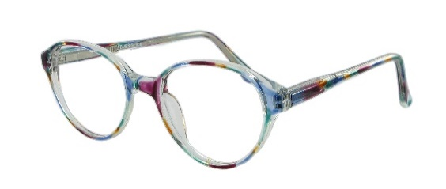
G906 | G906 C1 RAINBOW 41X18-130 | 40
 | G906 C1 RAINBOW 44X18-130 | 28
 | G906 C2 PINK 41X18-130 | 40
 | G906 C3 AQUA MARINE 41X18-130 | 11
 | G906 C3 AQUA MARINE 44X18-130 | 76

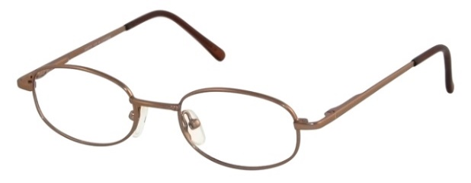
M2034 | GOLD 42X16-125 | 50
 | M. BROWN 44X16-125 | 100
 | COPPER 42X16-125 | 50
 | BLUE 44X16-125 | 88
 | M. BLACK 42X16-125 | 40
 | M.BLACK 44X16-125 | 28
 | TOTAL PIECES: | 2962

GENESIS
G738 | GEN738 C1 SHINY RED 45X18-130 | 18
 | GEN738 C2 SHINY BLUE 45X18-130 | 3

G745 | GEN745*C1 BRONZE 44x19-135 | 284
 | GEN745*C2 BURGUNDY 44x19-135 | 110
 | GEN745*C3 SHINY GUNMETAL 44x19-135 | 116

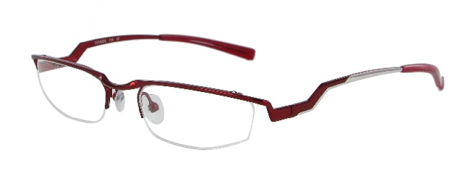
G748 | GEN748 C2 CHROME 50X18-135 | 15
 | GEN748 C3 RED 50X18-135 | 19

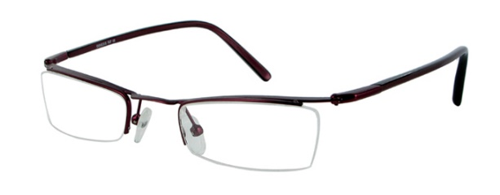
G757 | GEN757#C1 BLUE 48x20-135 | 170
 | GEN757#C2 PURPLE 48x20-135 | 95
 | GEN757#C3 BURGUNDY 48x20-135 | 128

 | TOTAL PIECES: | 958

